Introduction
Energy Storage Grand Challenge (ESGC)
Storage Techno-Economic Assessment

This workbook uses a levelized cost of storage (LCOS) methodology to perform a techno-economic assessment of the proposed storage project. LCOS estimates the average revenue per kilowatt-hour discharged that must be obtained in order to cover costs required to build and operate a storage asset over a specified time period. This template calculates the LCOS in real terms and is usable for a range of storage technology types and may be used to compare diverse technologies with a common metric. Two worksheets are provided to fill in. The first (LCOS Calculator - Project) should include cost and performance estimates at project completion, the second (LCOS Calculator - Future) should include estimates for a future, fully commercialized system. The remaining worksheets in this document include reference materials and example workbooks.

Contents
Introduction
LCOS Calculator - Project
LCOS Calculator - Future
Capital Cost Guide
Terminology & Documentation
Assumptions & Parameters

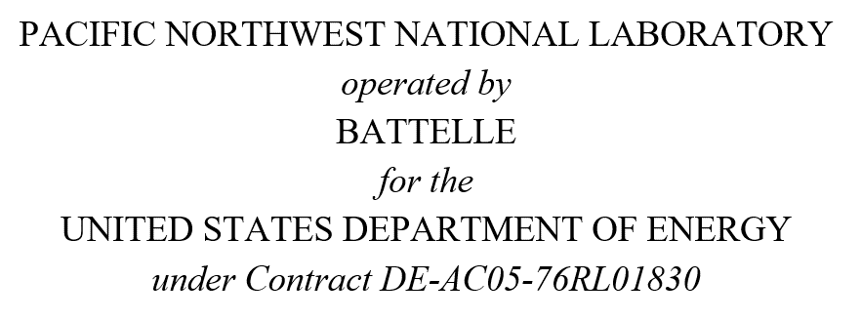 This material was prepared as an account of work sponsored by an agency of the United States Government. Neither the United States Government nor the United States Department of Energy, nor the Contractor, nor any or their employees, nor any jurisdiction or organization that has cooperated in the development of these materials, makes any warranty, express or implied, or assumes any legal liability or responsibility for the accuracy, completeness, or usefulness or any information, apparatus, product, software, or process disclosed, or represents that its use would not infringe privately owned rights. Reference herein to any specific commercial product, process, or service by trade name, trademark, manufacturer, or otherwise does not necessarily constitute or imply its endorsement, recommendation, or favoring by the United States Government or any agency thereof, or Battelle Memorial Institute. The views and opinions of authors expressed herein do not necessarily state or reflect those of the United States Government or any agency thereof.

Capital Cost Guide
Capital Cost Guide
The table below, from Viswanathan et al. (2022) can serve as a guide regarding all costs that should be considered in the total overnight capital cost for various storage system types. Note that some of these costs are energy based ($/kWh), such as for Storage Block, and some power based ($/kW) such as for Power Equipment. The total cost for all components divided by rated energy gives $/kWh and total cost divided by rated power gives cost in $/kW. For more detailed definitions of the various components shown in the table, refer to Viswanathan et al. (2022)

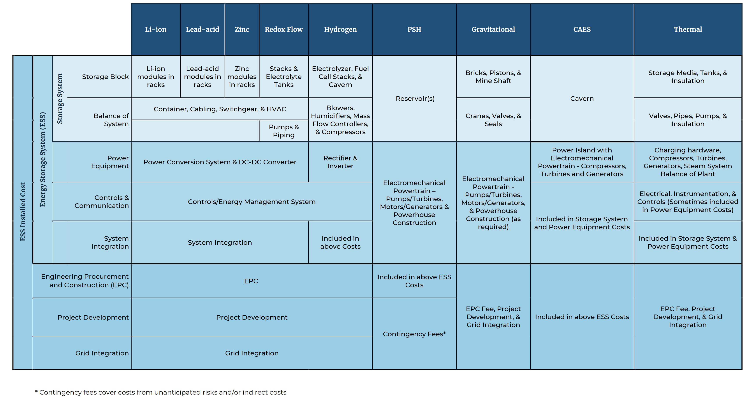

References
Viswanathan V.V., K. Mongird, R. Franks, X. Li, and V.L. Sprenkle. 2022. 2022 Grid Energy Storage Technology Cost and Performance Assessment. PNNL-33283. Richland, WA: Pacific Northwest National Laboratory.

